Solar Farm Financials
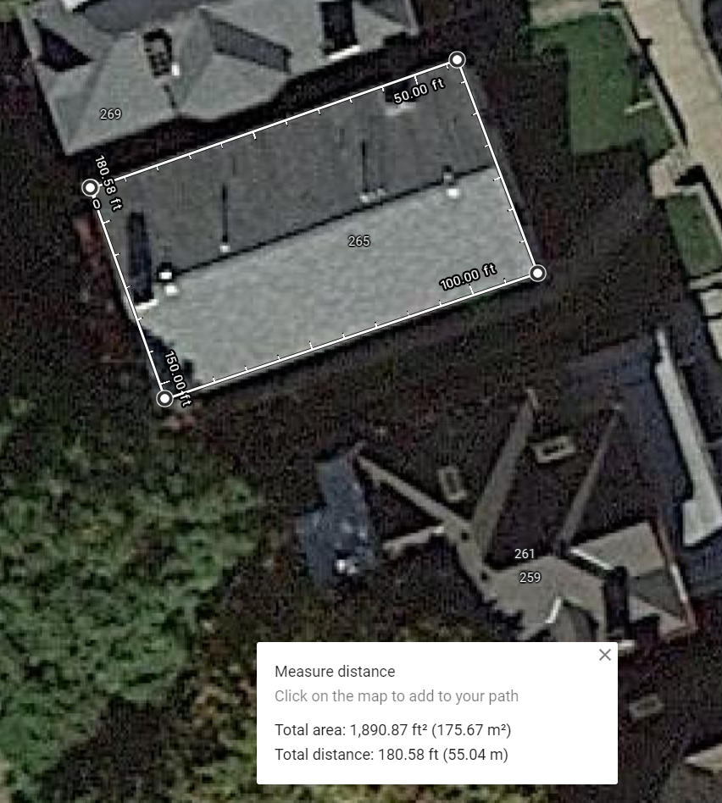
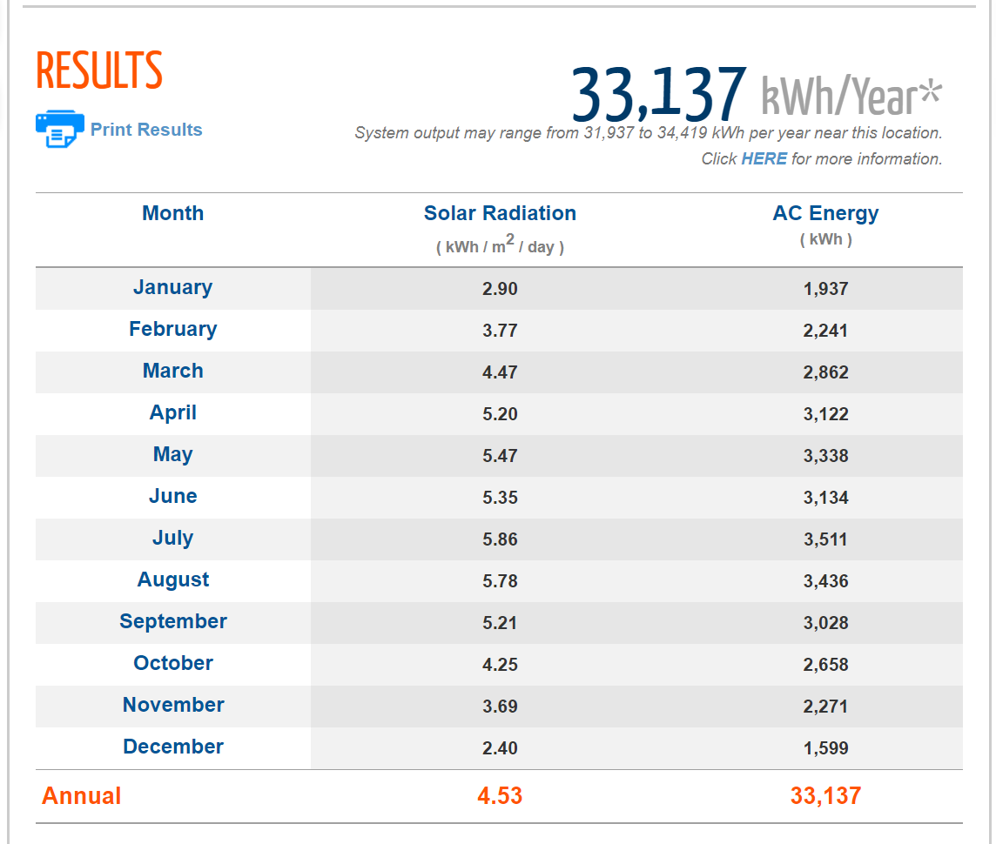
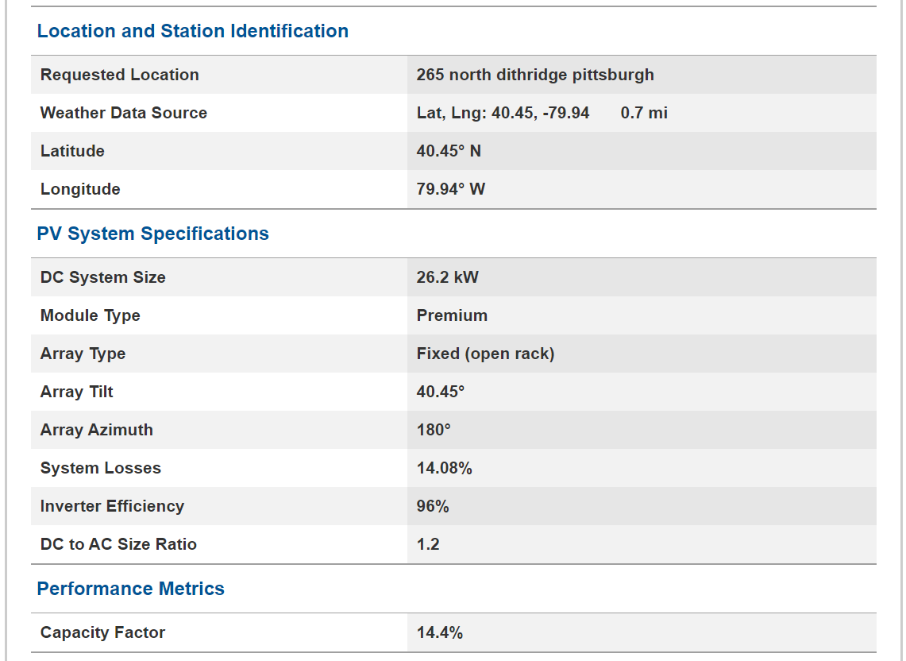
Instructions: Input Bold Blue Values on both the 'Solar Farm Financials' and 'Cost Breakdown' worksheets
1) Find the cost of electricity from your electric bill. It is equal to the electricity generation price plus the distribution price. You can also divide your total bill by the energy consumed ($/kWh). If you don't have a bill you can use $0.12/kWh.
2) Determine your annual electricity production using PVWatts: https://pvwatts.nrel.gov/
3) Determine your solar array size based on the available roof area, the dimensions of the solar panel and the power rating of the solar panel
4) Use the 'Cost Breakdown' worksheet to calculate the Total Cost of the system. Next divide that Total Cost by the '3) Solar Array Size (W)' to calculate the '4) Solar Array Cost ($/W)'
5) Electricity prices increase about 1-3% annually (you can assume 2%)
6) Input your Loan Interest Rate (typically 4-6%)
7) Input your Loan Term in years (typically 10-15 yrs)
8) Input your Down Payment (typically 20%)
9) The PA SREC market information can be found here: https://www.srectrade.com/markets/rps/srec/pennsylvania
10) Include a snapshot of the Google image including the area of the roof
11) Include a snapshot of the PVWatts results below
12) Answer the questions in the '12) Questions' worksheet

LOAN Breakeven Analysis
Solar Array Proforma
Inputs |  | Year | Loan | Federal ITC | Increased Equity | Electricity | PA SREC | Loan Income/Loss | Loan Cumulative | Cash Payment Income/Loss | Cash Cumulative
1) Electricity Price ($/kWh) | $0.120 | 0 | $(14,462) | $- | $- | $- | $- | $(14,462) | $(14,462) | $(72,312) | $(72,312)
2) Annual Solar Array Electricity Production (kWh/yr) | 33137 | 1 | $(7,028) | $21,694 | $- | $3,976 | $1,392 | $20,033 | $5,571 | $27,062 | $(45,250)
3) Solar Array Size (W) | 26200 | 2 | $(7,028) | $- | $- | $4,056 | $1,392 | $(1,581) | $3,990 | $5,448 | $(39,802)
4) Solar Array Cost ($/W) | $2.76 | 3 | $(7,028) | $- | $- | $4,137 | $1,392 | $(1,500) | $2,491 | $5,529 | $(34,274)
5) Annual Electricity Price Increase | 2% | 4 | $(7,028) | $- | $- | $4,220 | $1,392 | $(1,417) | $1,074 | $5,612 | $(28,662)
6) Loan Interest Rate | 4.0% | 5 | $(7,028) | $- | $- | $4,304 | $1,392 | $(1,332) | $(258) | $5,696 | $(22,966)
7) Loan Term (yrs) | 10 | 6 | $(7,028) | $- | $- | $4,390 | $1,392 | $(1,246) | $(1,505) | $5,782 | $(17,184)
8) Down Payment % | 20% | 7 | $(7,028) | $- | $- | $4,478 | $1,392 | $(1,159) | $(2,663) | $5,870 | $(11,314)
9) PA SREC Market Price ($/MWh) | $42.00 | 8 | $(7,028) | $- | $- | $4,568 | $1,392 | $(1,069) | $(3,732) | $5,959 | $(5,355)
 |  | 9 | $(7,028) | $- | $- | $4,659 | $1,392 | $(978) | $(4,710) | $6,051 | $696
Cost |  | 10 | $(7,028) | $- | $- | $4,752 | $1,392 | $(884) | $(5,594) | $6,144 | $6,840
System Price for a 26200 kW system | $72,312 | 11 | $- | $- | $- | $4,847 | $1,392 | $6,239 | $645 | $6,239 | $13,079
Cash Down Payment | $14,462 | 12 | $- | $- | $- | $4,944 | $1,392 | $6,336 | $6,981 | $6,336 | $19,415
Annual Payment | $7,028 | 13 | $- | $- | $- | $5,043 | $1,392 | $6,435 | $13,416 | $6,435 | $25,850
CASH Breakeven Analysis
Monthly Payment | $585.70 | 14 | $- | $- | $- | $5,144 | $1,392 | $6,536 | $19,951 | $6,536 | $32,386
Total Cost (including interest) | $84,746 | 15 | $- | $- | $- | $5,247 | $1,392 | $6,639 | $26,590 | $6,639 | $39,024
 |  | 16 | $- | $- | $- | $5,352 | $1,392 | $6,744 | $33,333 | $6,744 | $45,768
Income |  | 17 | $- | $- | $- | $5,459 | $1,392 | $6,851 | $40,184 | $6,851 | $52,618
Federal Tax Credit, 30% (one-time) | $21,694 | 18 | $- | $- | $- | $5,568 | $1,392 | $6,960 | $47,144 | $6,960 | $59,578
Value of Electricity Produced (1st year) | $3,976 | 19 | $- | $- | $- | $5,679 | $1,392 | $7,071 | $54,215 | $7,071 | $66,649
PA SREC Value (annual) | $1,392 | 20 | $- | $- | $- | $5,793 | $1,392 | $7,185 | $61,399 | $7,185 | $73,834
Increased Equity in Home (50% of system value) | $- | 21 | $- | $- | $- | $5,909 | $1,392 | $7,301 | $68,700 | $7,301 | $81,134
 |  | 22 | $- | $- | $- | $6,027 | $1,392 | $7,419 | $76,119 | $7,419 | $88,553
Price of Solar PV Electricity ($/kWh) | $0.073 | 23 | $- | $- | $- | $6,147 | $1,392 | $7,539 | $83,658 | $7,539 | $96,092
 |  | 24 | $- | $- | $- | $6,270 | $1,392 | $7,662 | $91,320 | $7,662 | $103,754
 |  | 25 | $- | $- | $- | $6,396 | $1,392 | $7,788 | $99,108 | $7,788 | $111,542
 |  | 26 | $- | $- | $- | $6,524 | $1,392 | $7,916 | $107,023 | $7,916 | $119,458
 |  | 27 | $- | $- | $- | $6,654 | $1,392 | $8,046 | $115,069 | $8,046 | $127,504
 |  | 28 | $- | $- | $- | $6,787 | $1,392 | $8,179 | $123,248 | $8,179 | $135,683
 |  | 29 | $- | $- | $- | $6,923 | $1,392 | $8,315 | $131,563 | $8,315 | $143,997
 |  | 30 | $- | $- | $- | $7,062 | $1,392 | $8,453 | $140,016 | $8,453 | $152,451
 |  | TOTAL | $(84,746) | $21,694 | $- | $161,317 | $41,753 | $140,016 |  | $152,451

 |  | Annual Greenhouse Gas Reduction
 |  | Year | Pounds CO2 | Trees
 |  | 1 | 51,694 | 388

10) Snapshot of Google Image with the Area of the Roof |  |  |  | 11) Snapshot of PVWatts Results Screens

